Colors
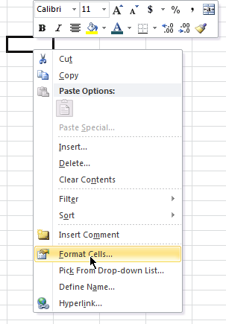
Use the option button to select mulitple cells

 | C |  | O |  |  | L |  | O | R

 |  |  |  |  |  |  | Select first, then Format Painter
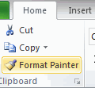

 |  | Use the paint brush to duplicate the green pattern

 |  |  |  |  | Blue text

 |  |  |  | Change the color of the text to Blue and the background to light orange

 | Try Patterns

Styles
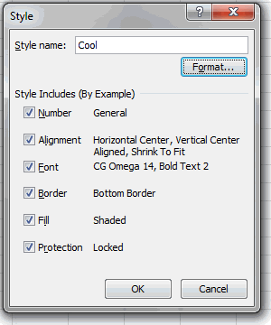
Create a style! | 5
 | 2
 | 10

This is Cool

